Resource_Allocation
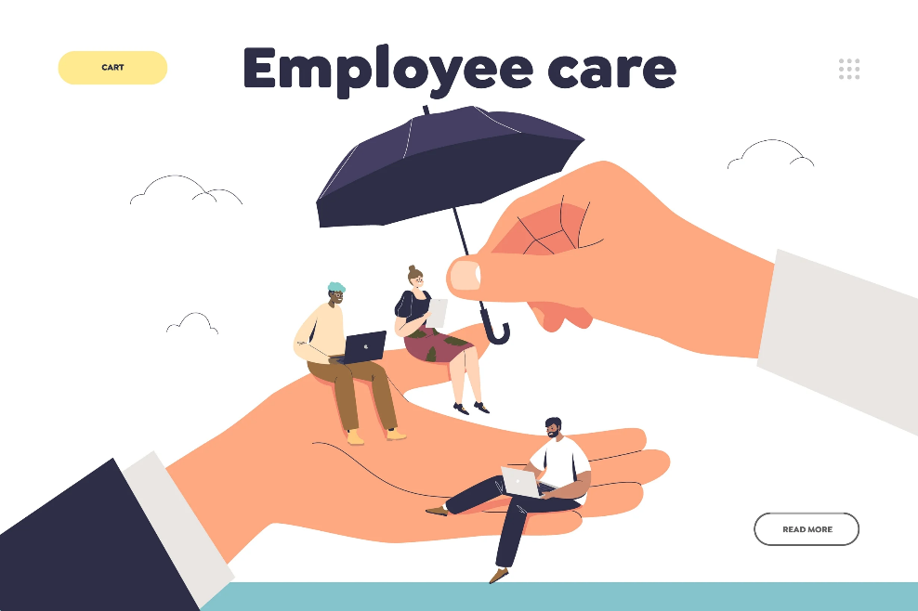
 | JELLY PRODUCTION COMPANY INSURANCE FUNDING ALLOCATION FOR PROTECTING EMPLOYEE

Initial Conditions |  |  |  | Assumptions made by company
Number of Employees |  |  | 2,000 | Max Decrease for Insurancre Type | 1.0% | Max Increase | 5%
Yearly average cost per Employee |  |  | $12,457 | Mthly Increase rate for Insurance Type | 0.4% | Std Dev | $100
Yearly Insurance per Employee |  |  | $8,538 | 1,038

 | Number of | Insurance | Avg Cost | Yearly |  | Net
Year | Empoyees | Contribution | per Employee | Insurance Cost |  | Cost
1 | 5,000 | $42,690,000.00 | $12,500.00 | $62,500,000 |  | $19,810,000
2 | 6,300 | $53,789,400.00 | $14,670.00 | $92,421,000 |  | $38,631,600
3 | 8,230 | $70,267,740.00 | $18,400.00 | $151,432,000 |  | $81,164,260
4 | 7,050 | $60,192,900.00 | $20,705.00 | $145,970,250 |  | $85,777,350
5 | 9,340 | $79,744,920.00 | $23,120.00 | $215,940,800 |  | $136,195,880
6 | 10,340 | $88,282,920.00 | $24,340.00 | $251,675,600 |  | $163,392,680
7 | 11,030 | $94,174,140.00 | $26,540.00 | $292,736,200 |  | $198,562,060
8 | 12,530 | $106,981,140.00 | $28,250.00 | $353,972,500 |  | $246,991,360
9 | 13,670 | $116,714,460.00 | $30,430.00 | $415,978,100 |  | $299,263,640
10 | 15,720 | $134,217,360.00 | $32,503.00 | $510,947,160 |  | $376,729,800
 |  |  |  |  | Total Insurance Budget Fund Required from Company Jelly Cost | $1,646,518,630

 | In this Table we can see that for the business to be able to cover for the well being of their employeees(Insurance) for 10 years, they need to allocate an amount of $1,646,518,630 to do that.

Charts
 |  | Figure 1
 |  |  |  |  | Figure 2

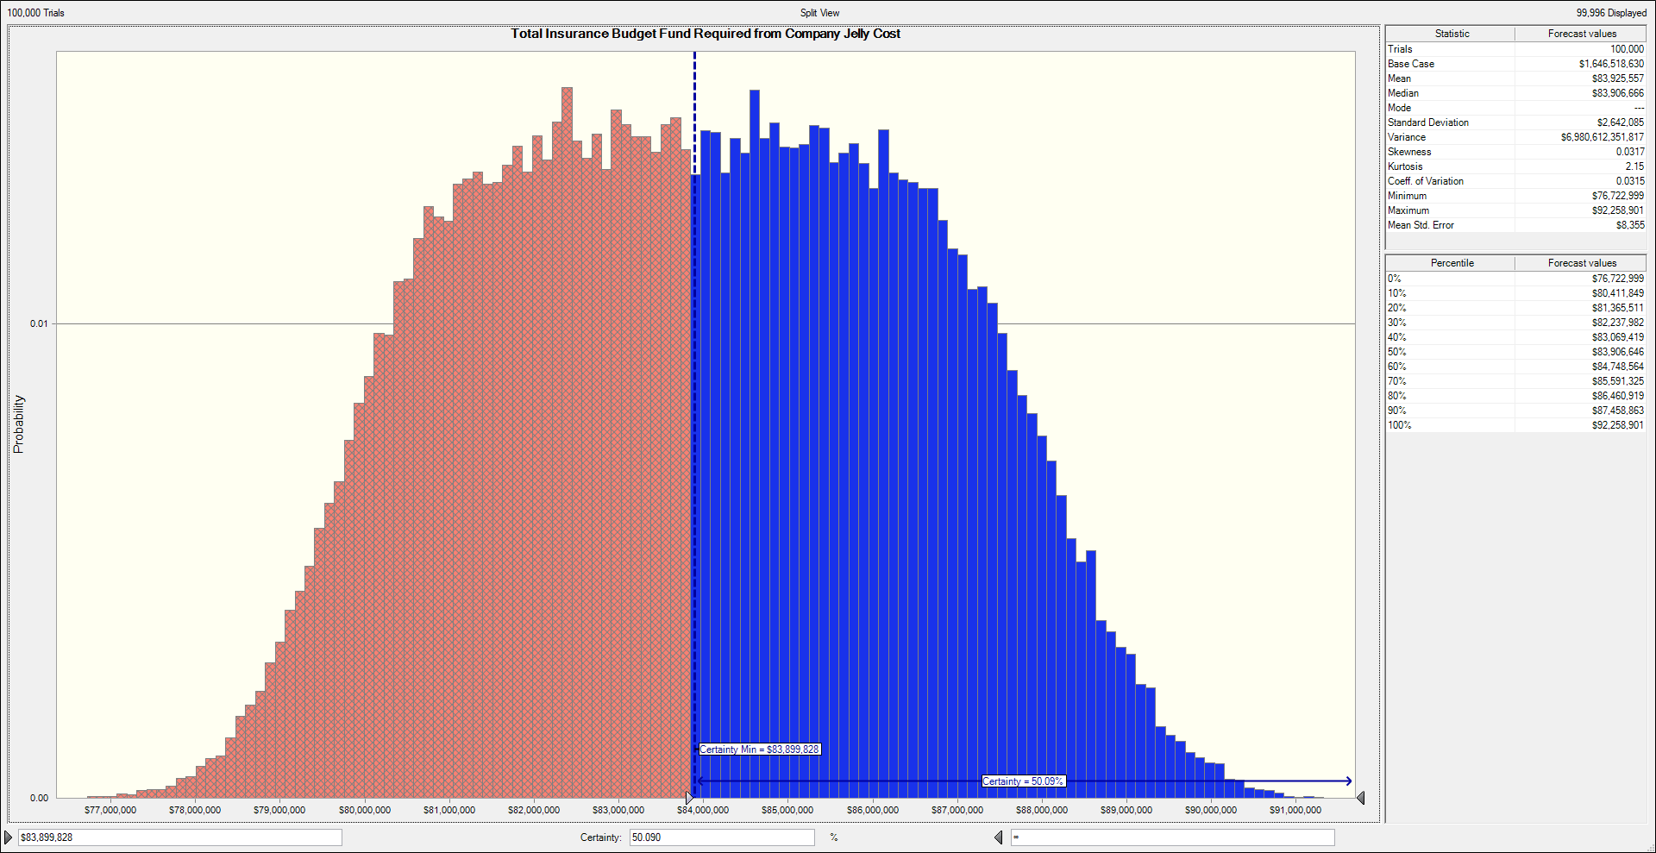
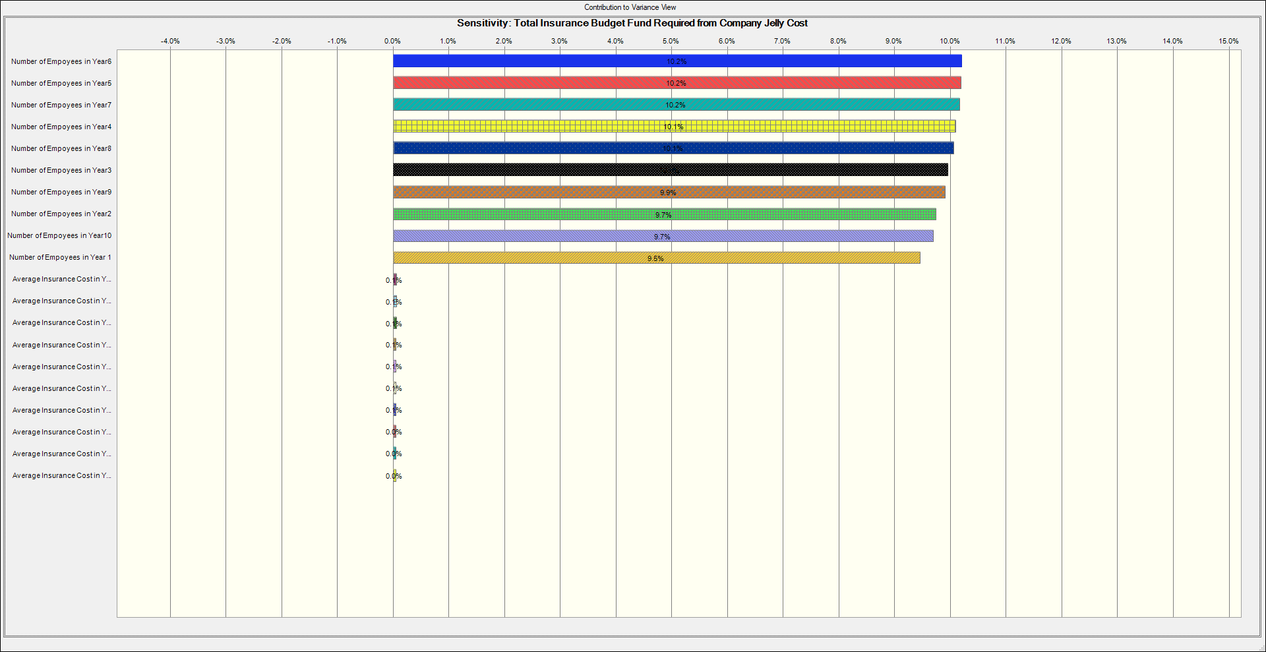

The diagram in figure 1 above, shows that if the company is able to take some risk of 50.090% they would be able to cover insurance. |  |  |  | In this figure, we can see that the number of employee in year 6, 5 and 7 has the maximum impact on the total cost.
Also, they are likely to spend $92,258,901 for 10years if they don’t want to run out of budget. But if they are ready to take 50% risk, |  |  |  | This may imply that in this year a lot of employees might be recruited and therefore will have an impact of the total budget.
they are likely to spend $83, 906,646 due to some uncertainties and also save some money.
Also, the mean($83,899,828) shows 50% certainty which means its half the chance that the insurance can be covered by that amount
also half the chance that the company can run out of budget

 |  |  | Figure 3

 | Figure 3 shows the Rank correlation and the most important year. Here can see that again Year 6,5,7 & 4
 | has the top 4 correlated assumptions which value of 0.96.

